OPTION_A
CalCOFI 2411SR (53 station pattern)
Lat | Lon | sta | Proc.# |  | ETA | hrs on sta | PrPOOS | ETD | Miles 2 next | Ship Speed | Transit Time
 |  | MarFac |  |  | 2025-07-18 | 0.00 |  | 2025-07-18 | 32 | 10 | 3.20
32 50.8 | 117 31.9 | 93/30 | 1 |  | 2025-07-18 | 1.25 |  | 2025-07-18 | 41 | 10 | 4.10
33 29.7 | 117 44.8 | 90/27.7 | 2 |  | 2025-07-18 | 0.50 | 0.25 | 2025-07-18 | 1.2 | 10 | 0.12
33 29.1 | 117 46.1 | 90/28 | 3 |  | 2025-07-18 | 1.25 | 0.25 | 2025-07-18 | 8 | 10 | 0.80
33 25.1 | 117 54.3 | 90/30 | 4 |  | 2025-07-18 | 1.25 | 0.25 | 2025-07-18 | 20 | 10 | 2.00
33 15.1 | 118 15.0 | 90/35 | 5 |  | 2025-07-18 | 1.25 | 0.25 | 2025-07-19 | 8 | 10 | 0.80
33 11.1 | 118 23.2 | 90/37 | 6 | W291 | 2025-07-19 | 1.25 | 0.25 | 2025-07-19 | 32 | 10 | 3.20
32 55.1 | 118 56.1 | 90/45 | 7 | SOAR | 2025-07-19 | 1.25 | 0.25 | 2025-07-19 | 32 | 10 | 3.20
32 39.1 | 119 28.9 | 90/53 | 8 | W292W | 2025-07-19 | 1.25 | 0.25 | 2025-07-19 | 28 | 10 | 2.80
32 25.1 | 119 57.6 | 90/60 | 9 | C1177 | 2025-07-19 | 1.25 | 0.25 | 2025-07-19 | 40 | 10 | 4.00
32 05.1 | 120 38.3 | 90/70 | 10 | C1177 | 2025-07-19 | 1.25 | 0.25 | 2025-07-19 | 40 | 10 | 4.00
31 45.1 | 121 18.9 | 90/80 | 11 | C1177 | 2025-07-20 | 1.25 | 0.25 | 2025-07-20 | 40 | 10 | 4.00
31 25.1 | 121 59.4 | 90/90 | 12 |  | 2025-07-20 | 1.25 | 0.25 | 2025-07-20 | 40 | 10 | 4.00
31 05.1 | 122 39.7 | 90/100 | 13 |  | 2025-07-20 | 1.25 | 0.25 | 2025-07-20 | 40 | 10 | 4.00
30 45.1 | 123 19.9 | 90/110 | 14 |  | 2025-07-20 | 1.25 | 0.25 | 2025-07-20 | 40 | 10 | 4.00
30 25.1 | 123 59.9 | 90/120 | 15 |  | 2025-07-21 | 1.25 | 0.25 | 2025-07-21 | 163 | 10 | 16.30
32 19.4 | 121 42.9 | 87/80 | 16 | W289S 7A | 2025-07-21 | 1.25 |  | 2025-07-21 | 40 | 10 | 4.00
32 39.4 | 121 02.0 | 87/70 | 17 | W289S 6A | 2025-07-21 | 1.25 | 0.25 | 2025-07-22 | 40 | 10 | 4.00
32 59.4 | 120 21.0 | 87/60 | 18 | W289S 5A | 2025-07-22 | 1.25 | 0.25 | 2025-07-22 | 20 | 10 | 2.00
33 09.4 | 120 00.4 | 87/55 | 19 | W289S 4A | 2025-07-22 | 1.25 | 0.25 | 2025-07-22 | 20 | 10 | 2.00
33 19.4 | 119 39.8 | 87/50 | 20 | W289S 4A | 2025-07-22 | 1.25 | 0.25 | 2025-07-22 | 20 | 10 | 2.00
33 29.4 | 119 19.1 | 87/45 | 21 | W289S 3A | 2025-07-22 | 1.25 | 0.25 | 2025-07-22 | 20 | 10 | 2.00
33 39.4 | 118 58.5 | 87/40 | 22 |  | 2025-07-22 | 1.50 | 0.25 | 2025-07-22 | 20 | 10 | 2.00
34 00.8 | 118 49.9 | 87/35 | 23 |  | 2025-07-22 | 1.25 | 0.25 | 2025-07-23 | 15 | 10 | 1.50
33 53.4 | 118 29.4 | 87/33 | 24 |  | 2025-07-23 | 1.00 | 0.25 | 2025-07-23 | 2.3 | 10 | 0.23
33 53.3 | 118 26.7 | 86.8/32.5 | 25 |  | 2025-07-23 | 0.50 |  | 2025-07-23 | 20 | 10 | 2.00 | Boat Transfer | (Santa Monica)
33 49.4 | 118 37.7 | 85.4/35.8 | 26 |  | 2025-07-23 | 0.50 |  | 2025-07-23 | 66 | 10 | 6.60
33 52.7 | 120 08.0 | 83/51 | 27 | W289S 3E | 2025-07-23 | 1.00 | 0.25 | 2025-07-23 | 16 | 10 | 1.60
33 44.7 | 120 24.6 | 83/55 | 28 | W289S 4B | 2025-07-23 | 1.25 | 0.25 | 2025-07-23 | 20 | 10 | 2.00
33 34.7 | 120 45.3 | 83/60 | 29 | W289S 5B | 2025-07-23 | 1.25 | 0.25 | 2025-07-23 | 40 | 10 | 4.00
33 14.7 | 121 26.6 | 83/70 | 30 | W289S 6B | 2025-07-24 | 1.25 | 0.25 | 2025-07-24 | 40 | 10 | 4.00
32 54.7 | 122 07.7 | 83/80 | 31 | W289S 7B | 2025-07-24 | 1.25 |  | 2025-07-24 | 90 | 10 | 9.00
32 49.0 | 123 54.4 | 80/100 | 32 |  | 2025-07-24 | 1.25 | 0.25 | 2025-07-24 | 40 | 10 | 4.00
33 09.0 | 123 13.3 | 80/90 | 33 |  | 2025-07-24 | 1.25 | 0.25 | 2025-07-24 | 40 | 10 | 4.00
33 29.0 | 122 32.0 | 80/80 | 34 | W537 C1176 | 2025-07-25 | 1.25 | 0.25 | 2025-07-25 | 40 | 10 | 4.00
33 49.0 | 121 50.6 | 80/70 | 35 | W537 C1176 | 2025-07-25 | 1.25 | 0.25 | 2025-07-25 | 40 | 10 | 4.00
34 09.0 | 121 09.0 | 80/60 | 36 | W532S 5C | 2025-07-25 | 1.25 | 0.25 | 2025-07-25 | 20 | 10 | 2.00
34 19.0 | 120 48.1 | 80/55 | 37 | W532S M2 | 2025-07-25 | 1.25 | 0.25 | 2025-07-25 | 44 | 10 | 4.40
34 43.3 | 121 32.9 | 77/60 | 38 | W532E 5C | 2025-07-25 | 1.25 |  | 2025-07-26 | 20 | 10 | 2.00
34 53.3 | 121 11.9 | 77/55 | 39 | W532E M1 | 2025-07-26 | 1.25 |  | 2025-07-26 | 16 | 10 | 1.60
35 01.3 | 120 55.1 | 77/51 | 40 |  | 2025-07-26 | 1.25 |  | 2025-07-26 | 8 | 10 | 0.80
35 05.3 | 120 46.6 | 77/49 | 41 |  | 2025-07-26 | 0.50 |  | 2025-07-26 | 40 | 10 | 4.00
34 27.0 | 120 31.4 | 80/51 | 42 |  | 2025-07-26 | 0.50 | 0.25 | 2025-07-26 | 2 | 10 | 0.20
34 27.7 | 120 29.1 | 80/50.5 | 43 |  | 2025-07-26 | 0.50 | 0.25 | 2025-07-26 | 27 | 10 | 2.70
34 24.5 | 119 48.1 | 81.8/46.9 | 44 |  | 2025-07-26 | 1.50 | 0.25 | 2025-07-26 | 13.6 | 10 | 1.36
34 16.5 | 120 01.5 | 81.7/43.5 | 45 |  | 2025-07-26 | 0.50 |  | 2025-07-26 | 25 | 10 | 2.50
34 15.5 | 119 19.4 | 83/39.4 | 46 |  | 2025-07-26 | 0.50 |  | 2025-07-26 | 4.8 | 10 | 0.48
34 13.5 | 119 24.7 | 83/40.6 | 47 |  | 2025-07-26 | 0.50 |  | 2025-07-27 | 5.6 | 10 | 0.56
34 10.7 | 119 30.5 | 83/42 | 48 |  | 2025-07-27 | 1.00 |  | 2025-07-27 | 152 | 10 | 15.20
Sea Buoy |  |  |  |  | 2025-07-27 | 0.00 |  | 2025-07-27 | 12 | 10 | 1.20
Marfac |  |  |  |  | 2025-07-27
 |  |  | Reduced PrPOOS: |  | 2025-07-27
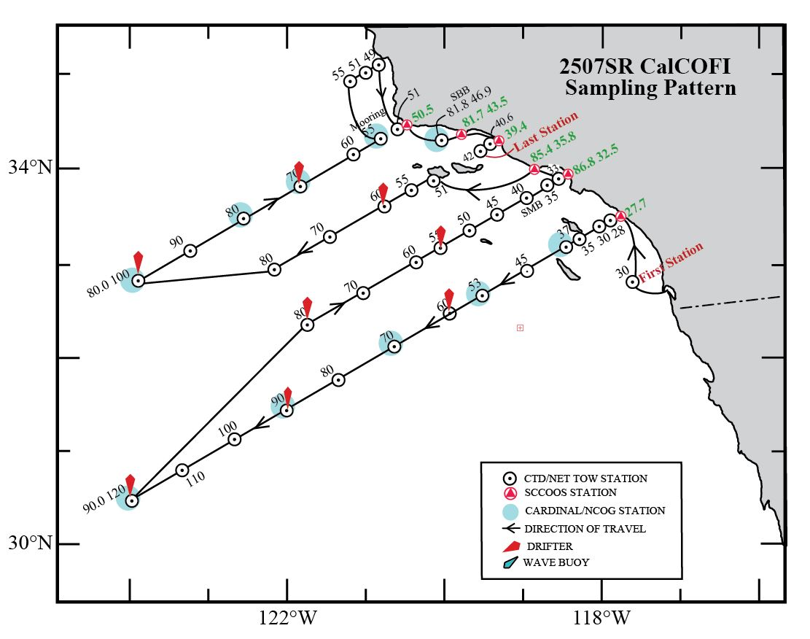

 |  |  | *missing four stations

OPTION_B
CalCOFI 2411SR (53 station pattern)
Lat | Lon | sta | Proc.# |  | ETA | hrs on sta | PrPOOS | ETD | Miles 2 next | Ship Speed | Transit Time
 |  | MarFac |  |  | 2025-07-18 | 0.00 |  | 2025-07-18 | 32 | 10 | 3.20
32 50.8 | 117 31.9 | 93/30 | 1 |  | 2025-07-18 | 1.25 |  | 2025-07-18 | 41 | 10 | 4.10
33 29.7 | 117 44.8 | 90/27.7 | 2 |  | 2025-07-18 | 0.50 | 0.25 | 2025-07-18 | 1.2 | 10 | 0.12
33 29.1 | 117 46.1 | 90/28 | 3 |  | 2025-07-18 | 1.25 | 0.25 | 2025-07-18 | 8 | 10 | 0.80
33 25.1 | 117 54.3 | 90/30 | 4 |  | 2025-07-18 | 1.25 | 0.25 | 2025-07-18 | 20 | 10 | 2.00
33 15.1 | 118 15.0 | 90/35 | 5 |  | 2025-07-18 | 1.25 | 0.25 | 2025-07-19 | 8 | 10 | 0.80
33 11.1 | 118 23.2 | 90/37 | 6 | W291 | 2025-07-19 | 1.25 | 0.25 | 2025-07-19 | 32 | 10 | 3.20
32 55.1 | 118 56.1 | 90/45 | 7 | SOAR | 2025-07-19 | 1.25 | 0.25 | 2025-07-19 | 32 | 10 | 3.20
32 39.1 | 119 28.9 | 90/53 | 8 | W292W | 2025-07-19 | 1.25 | 0.25 | 2025-07-19 | 28 | 10 | 2.80
32 25.1 | 119 57.6 | 90/60 | 9 | C1177 | 2025-07-19 | 1.25 | 0.25 | 2025-07-19 | 40 | 10 | 4.00
32 05.1 | 120 38.3 | 90/70 | 10 | C1177 | 2025-07-19 | 1.25 | 0.25 | 2025-07-19 | 40 | 10 | 4.00
31 45.1 | 121 18.9 | 90/80 | 11 | C1177 | 2025-07-20 | 1.25 | 0.25 | 2025-07-20 | 40 | 10 | 4.00
31 25.1 | 121 59.4 | 90/90 | 12 |  | 2025-07-20 | 1.25 | 0.25 | 2025-07-20 | 40 | 10 | 4.00
31 05.1 | 122 39.7 | 90/100 | 13 |  | 2025-07-20 | 1.25 | 0.25 | 2025-07-20 | 40 | 10 | 4.00
30 45.1 | 123 19.9 | 90/110 | 14 |  | 2025-07-20 | 1.25 | 0.25 | 2025-07-20 | 40 | 10 | 4.00
30 25.1 | 123 59.9 | 90/120 | 15 |  | 2025-07-21 | 1.25 | 0.25 | 2025-07-21 | 163 | 10 | 16.30
32 19.4 | 121 42.9 | 87/80 | 16 | W289S 7A | 2025-07-21 | 1.25 |  | 2025-07-21 | 40 | 10 | 4.00
32 39.4 | 121 02.0 | 87/70 | 17 | W289S 6A | 2025-07-21 | 1.25 | 0.25 | 2025-07-22 | 40 | 10 | 4.00
32 59.4 | 120 21.0 | 87/60 | 18 | W289S 5A | 2025-07-22 | 1.25 | 0.25 | 2025-07-22 | 20 | 10 | 2.00
...
CalCOFI 2411SR (53 station pattern)
34 53.3 | 121 11.9 | 77/55 | 42 | W532E M1 | 2025-07-26 | 1.25 |  | 2025-07-26 | 16 | 10 | 1.60
35 01.3 | 120 55.1 | 77/51 | 43 |  | 2025-07-26 | 1.25 |  | 2025-07-26 | 8 | 10 | 0.80
35 05.3 | 120 46.6 | 77/49 | 44 |  | 2025-07-26 | 0.50 |  | 2025-07-26 | 40 | 10 | 4.00
34 27.0 | 120 31.4 | 80/51 | 45 |  | 2025-07-26 | 0.50 | 0.25 | 2025-07-26 | 2 | 10 | 0.20
34 27.7 | 120 29.1 | 80/50.5 | 46 |  | 2025-07-26 | 0.50 | 0.25 | 2025-07-26 | 27 | 10 | 2.70
34 24.5 | 119 48.1 | 81.8/46.9 | 47 |  | 2025-07-26 | 1.50 | 0.25 | 2025-07-26 | 13.6 | 10 | 1.36
34 16.5 | 120 01.5 | 81.7/43.5 | 48 |  | 2025-07-27 | 0.50 |  | 2025-07-27 | 165 | 10 | 16.50
Sea Buoy |  |  |  |  | 2025-07-27 | 0.00 |  | 2025-07-27 | 12 | 10 | 1.20
Marfac |  |  |  |  | 2025-07-27
 |  |  | Reduced PrPOOS: |  | 2025-07-27
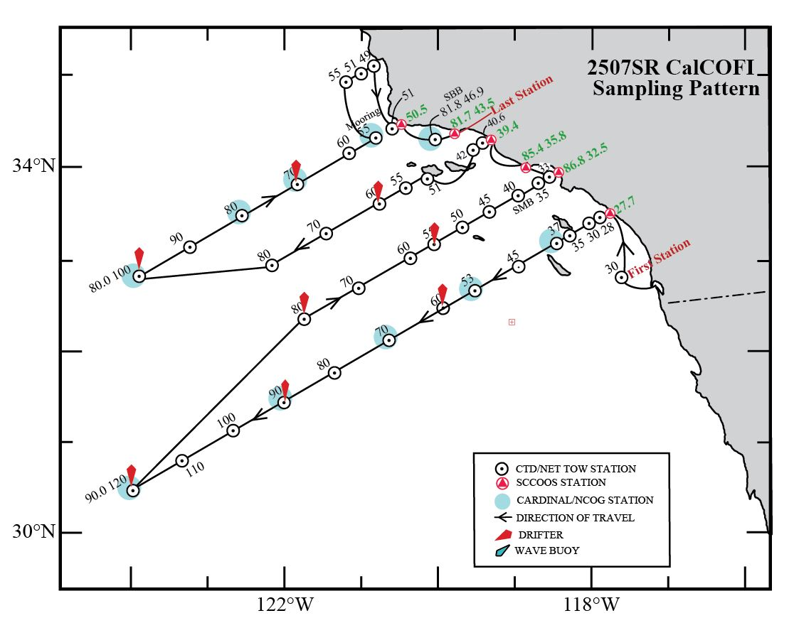
...

Option_C
...
CalCOFI 2411SR (53 station pattern)
34 24.5 | 119 48.1 | 81.8/46.9 | 46 | 2025-07-26 | 1.50 | 0.25 | 2025-07-26 | 13.6 | 10 | 1.36
34 16.5 | 120 01.5 | 81.7/43.5 | 47 | 2025-07-26 | 0.50 |  | 2025-07-26 | 25 | 10 | 2.50
34 15.5 | 119 19.4 | 83/39.4 | 48 | 2025-07-27 | 0.50 |  | 2025-07-27 | 4.8 | 10 | 0.48
34 13.5 | 119 24.7 | 83/40.6 | 49 | 2025-07-27 | 0.50 |  | 2025-07-27 | 5.6 | 10 | 0.56
34 10.7 | 119 30.5 | 83/42 | 50 | 2025-07-27 | 1.00 |  | 2025-07-27 | 155 | 10 | 15.50
Sea Buoy |  |  |  | 2025-07-27 | 0.00 |  | 2025-07-27 | 12 | 10 | 1.20
Marfac |  |  |  | 2025-07-27
 |  |  | Reduced PrPOOS:

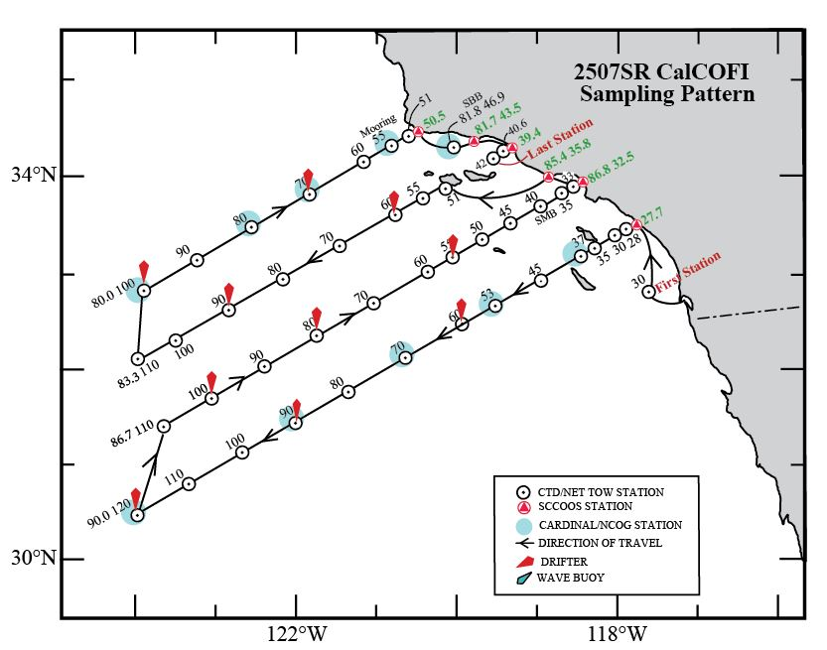
...

Option_C2.0
...
CalCOFI 2411SR (53 station pattern)
34 27.7 | 120 29.1 | 80/50.5 | 44 | 2025-07-26 | 0.50 | 0.25 | 2025-07-26 | 27 | 10 | 2.70
34 24.5 | 119 48.1 | 81.8/46.9 | 45 | 2025-07-26 | 1.50 | 0.25 | 2025-07-26 | 13.6 | 10 | 1.36
34 16.5 | 120 01.5 | 81.7/43.5 | 46 | 2025-07-26 | 0.50 |  | 2025-07-26 | 25 | 10 | 2.50
34 15.5 | 119 19.4 | 83/39.4 | 47 | 2025-07-26 | 0.50 |  | 2025-07-26 | 4.8 | 10 | 0.48
34 13.5 | 119 24.7 | 83/40.6 | 48 | 2025-07-26 | 0.50 |  | 2025-07-27 | 5.6 | 10 | 0.56
34 10.7 | 119 30.5 | 83/42 | 49 | 2025-07-27 | 1.00 |  | 2025-07-27 | 155 | 10 | 15.50
Sea Buoy |  |  |  | 2025-07-27 | 0.00 |  | 2025-07-27 | 12 | 10 | 1.20
Marfac |  |  |  | 2025-07-27
 |  |  | Reduced PrPOOS:

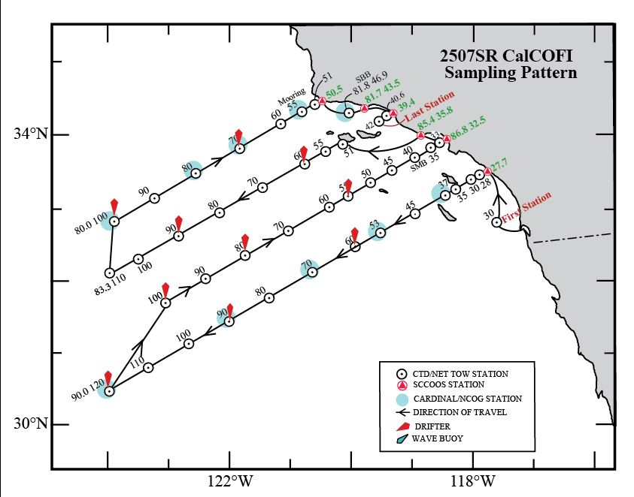
...

52 Stations_12B
...
CalCOFI 2411SR (53 station pattern)
34 27.7 | 120 29.1 | 80/50.5 | 47 | 2025-07-26 | 0.50 | 0.25 | 2025-07-26 | 27 | 10 | 2.70
34 24.5 | 119 48.1 | 81.8/46.9 | 48 | 2025-07-27 | 1.50 | 0.25 | 2025-07-27 | 13.6 | 10 | 1.36
34 16.5 | 120 01.5 | 81.7/43.5 | 49 | 2025-07-27 | 0.50 |  | 2025-07-27 | 25 | 10 | 2.50
34 15.5 | 119 19.4 | 83/39.4 | 50 | 2025-07-27 | 0.50 |  | 2025-07-27 | 4.8 | 10 | 0.48
34 13.5 | 119 24.7 | 83/40.6 | 51 | 2025-07-27 | 0.50 |  | 2025-07-27 | 5.6 | 10 | 0.56
34 10.7 | 119 30.5 | 83/42 | 52 | 2025-07-27 | 1.00 |  | 2025-07-27 | 155 | 10 | 15.50
Sea Buoy |  |  |  | 2025-07-28 | 0.00 |  | 2025-07-28 | 12 | 10 | 1.20
Marfac |  |  |  | 2025-07-28
 |  |  | Reduced PrPOOS: | 2025-07-28

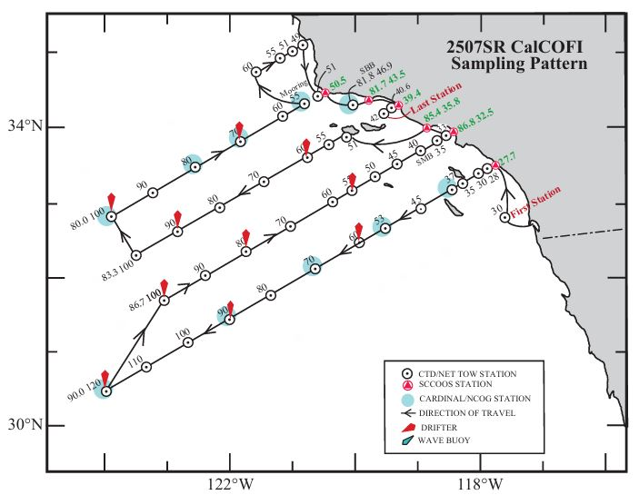
...

50Stations_24B_Option1
...
CalCOFI 2411SR (53 station pattern)
35 05.3 | 120 46.6 | 77/49 | 43 | 2025-07-26 | 0.50 |  | 2025-07-26 | 40 | 10 | 4.00
34 27.0 | 120 31.4 | 80/51 | 44 | 2025-07-26 | 0.50 | 0.25 | 2025-07-26 | 2 | 10 | 0.20
34 27.7 | 120 29.1 | 80/50.5 | 45 | 2025-07-26 | 0.50 | 0.25 | 2025-07-26 | 27 | 10 | 2.70
34 24.5 | 119 48.1 | 81.8/46.9 | 46 | 2025-07-27 | 2.00 | 0.25 | 2025-07-27 | 13.6 | 10 | 1.36
34 16.5 | 120 01.5 | 81.7/43.5 | 47 | 2025-07-27 | 0.50 |  | 2025-07-27 | 25 | 10 | 2.50
34 15.5 | 119 19.4 | 83/39.4 | 48 | 2025-07-27 | 0.50 |  | 2025-07-27 | 4.8 | 10 | 0.48
34 13.5 | 119 24.7 | 83/40.6 | 49 | 2025-07-27 | 0.50 |  | 2025-07-27 | 5.6 | 10 | 0.56
34 10.7 | 119 30.5 | 83/42 | 50 | 2025-07-27 | 1.00 |  | 2025-07-27 | 152 | 10 | 15.20
Sea Buoy |  |  |  | 2025-07-28 | 0.00 |  | 2025-07-28 | 12 | 10 | 1.20
Marfac |  |  |  | 2025-07-28
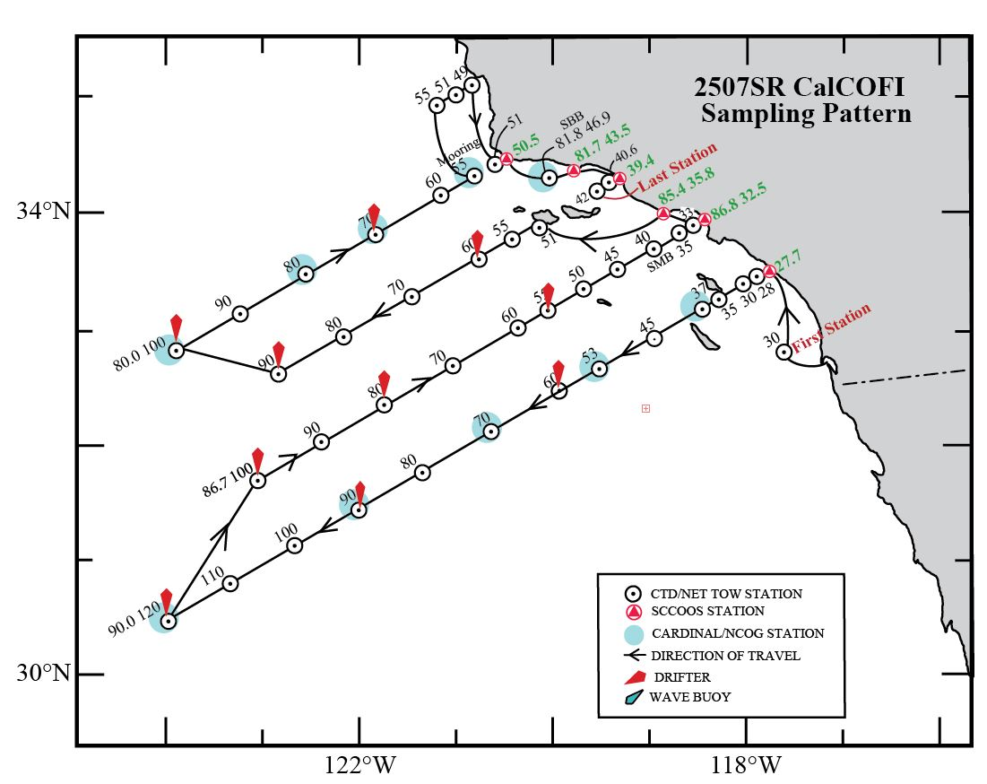
 |  |  | Reduced PrPOOS: | 2025-07-28
...

50Stations_24B_option2
...
CalCOFI 2411SR (53 station pattern)
34 24.5 | 119 48.1 | 81.8/46.9 | 46 | 2025-07-26 | 2.00 | 0.25 | 2025-07-26 | 13.6 | 10 | 1.36
34 16.5 | 120 01.5 | 81.7/43.5 | 47 | 2025-07-26 | 0.50 |  | 2025-07-26 | 25 | 10 | 2.50
34 15.5 | 119 19.4 | 83/39.4 | 48 | 2025-07-26 | 0.50 |  | 2025-07-26 | 4.8 | 10 | 0.48
34 13.5 | 119 24.7 | 83/40.6 | 49 | 2025-07-27 | 0.50 |  | 2025-07-27 | 5.6 | 10 | 0.56
34 10.7 | 119 30.5 | 83/42 | 50 | 2025-07-27 | 1.00 |  | 2025-07-27 | 152 | 10 | 15.20
Sea Buoy |  |  |  | 2025-07-27 | 0.00 |  | 2025-07-27 | 12 | 10 | 1.20
Marfac |  |  |  | 2025-07-27
 |  |  | Reduced PrPOOS: | 2025-07-27




